Summary
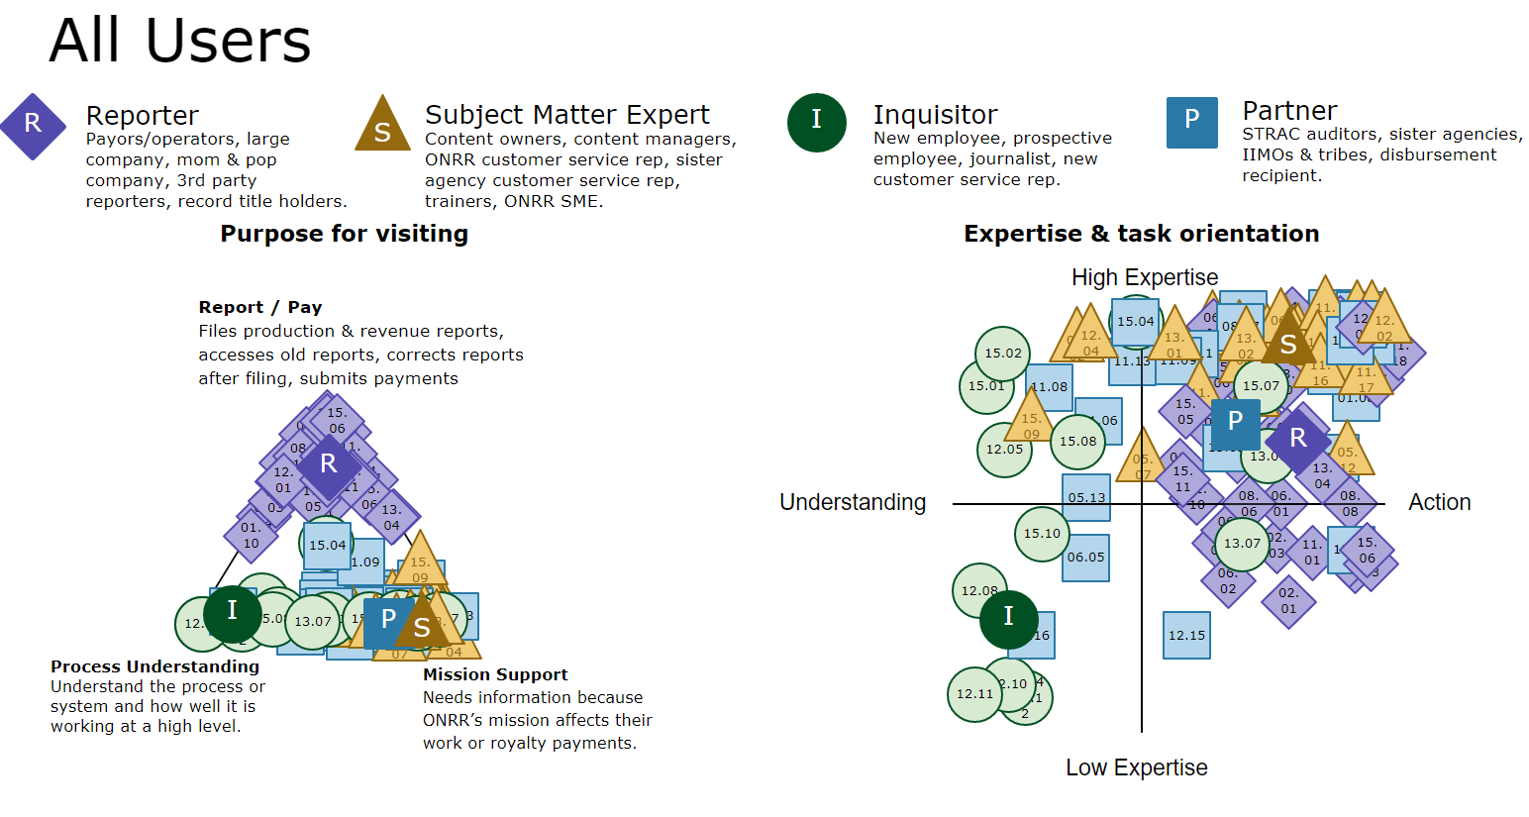
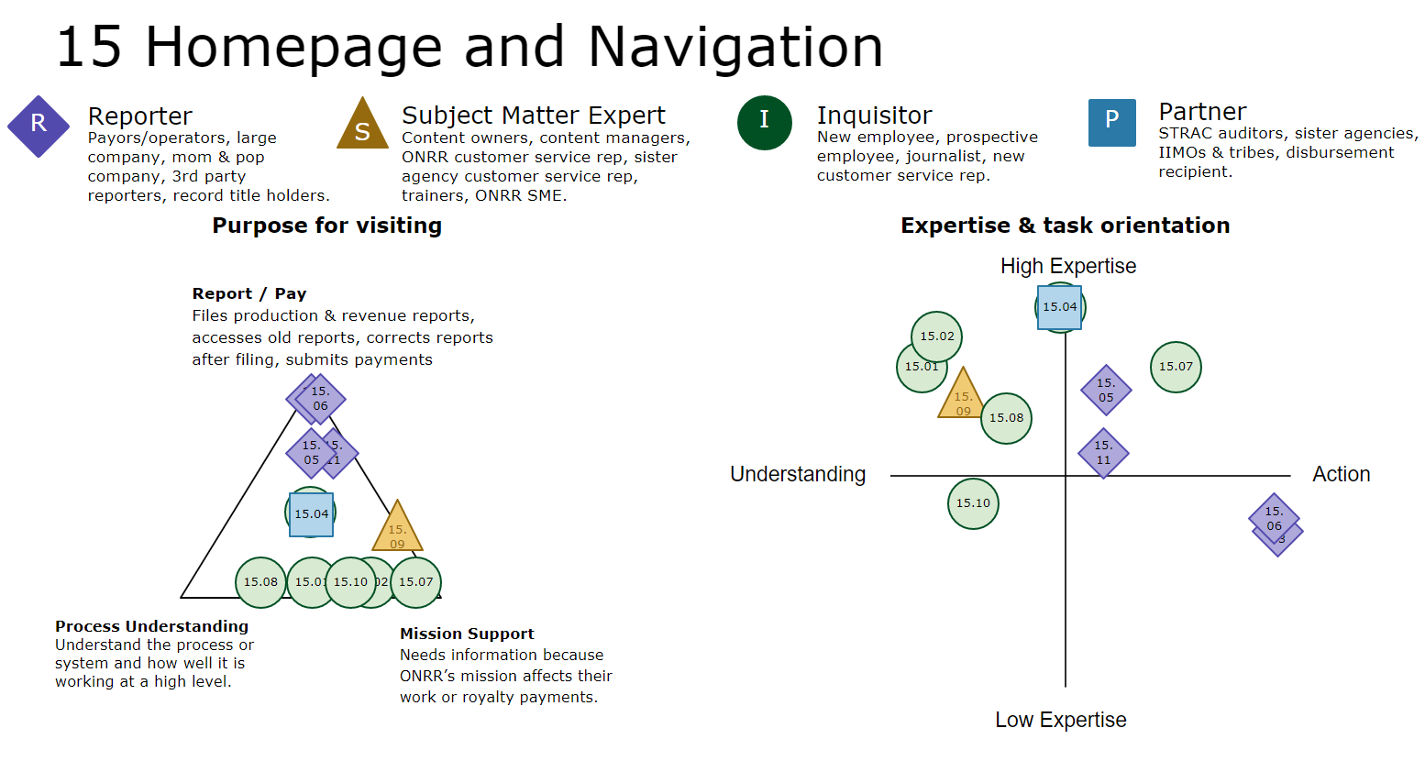
Feedback from the Pricing Table study in February 2023 indicated some users find the main navigation bar difficult to use. ODDD reviewed previous studies and held an exploration meeting with the team to determine the research problem regarding the main navigation. The team decided that we would first do a study on the homepage to determine if there were easy homepage fixes we could do before considering a redesign of the main navigation. This homepage study also provided enough feedback on the main navigation that we no longer believe a second study or a complete overhaul of the main navigation is necessary.
In June 2023, we held 11 user interviews with all 4 user types for onrr.gov: 5 Inquisitors, 4 Reporters, 1 SME, and 1 Partner-Inquisitor-former Reporter. The participant pool included private industry, well owners, council, auditors, federal employees from ONRR and another DOI agency. The feedback was vast and covered many areas of the website, as well as the overall customer experience at ONRR, not just onrr.gov. There are some areas that may requires future studies, as indicated by the recommendations and opportunities.
Recommendations
•Make pay.gov link a button in the Report Electronically section
•Add design element to make it obvious the main navigation are drop-down menus
•Revenue data button, along with ecommerce and web portal button, might need to be more obvious or and/or better labeling
•Reduce the size of the hero image
•Explore layout or content changes to reduce scrolling, but no major redesign to homepage
•Future user study on handbooks
•Consider adding tips/instructions for using interactive handbooks
•Move the rows per view tools to the top of the tables instead of below the table
•Add print/save screen button to pricing tables
•Explore more filter and custom view and export options for pricing tables
•Improve ways to use the Oklahoma counties information
•Put more priority into improving search
•Add tips for using the Contacts search
•Improve the Contacts search function
•Make ONRR general contact easier to find
•In troubleshooting sections, add an accordion on who to contact if your question isn't covered by the other answers listed
Opportunities to consider:
•Review frequency of use and compare with user type. Consider adding a "non-user" type
•Improve visibility of and promote NRRD - people don't know where it is from onrr.gov, people see it as a really useful way to understand what ONRR does. Maybe present at all hand or emails with links to all our tools.
•Do more research on options for better explaining our relationship with BLM and other agencies - maybe a short blurb with a link to the NRRD page that lists all the agencies. Or a life of a lease chart
•Consider internal marketing for how onrr.gov employees can use the site, that it's not the same as onrresource and not only for external users
•Work with other teams to send emails to new employees on the tools we manage that might be useful for them
•Review past handbook study results
•Consider ways to let all users know when major improvements are made
•Explore ways to better share contacts
•Consider relabeling or moving handbooks
•Use analytics to find which homepage card links are less used and consider removing them
•No need to consider changes for how users get back to the homepage at this point, but continue to monitor it in sessions
•After we make the visibility of the main navigation more obvious, ask for feedback from pricing table users
•Consider a feed of updates/announcements that is more regularly updated
•Future user study on trainings and events
•Adding notes/instructions for CFR interface
Overall, users find onrr.gov intuitive and easy to use – many of the recommendations are medium-low priority enhancements. The biggest frustrations came from the overall user journey of reporting and having to navigate multiple agencies in the reporting process. The feedback on the other ONRR systems will be shared with the teams that manage them.

